AB Testing Proces
Step | Action | Purpose | Error Type | Stat-speak | Symbol | What actually happens | Decision you make | Real-world example | Cost / Consequence
1️⃣ Define the Goal | Identify the metric you want to improve (e.g., conversion rate, click rate, engagement) | Ensures the test has a clear objective | Type I | False positive | α (alpha) | No real effect exists (null hypothesis is true) | You think there is an effect and act on it | • Approve a drug that does not work • Ship a “new” Buy-Now button you believe lifts CTR | Wasted resources, possible harm, loss of trust
2️⃣ Formulate Hypotheses | - H₀ (Null): No difference between A and B - H₁ (Alternative): A meaningful difference exists | Sets the foundation for statistical testing | Type II | False negative | β (beta) | A real effect does exist (null hypothesis is false) | You fail to detect the effect and do nothing | • Reject a drug that does relieve headaches • Keep the old button even though the new one would raise CTR | Missed opportunity, lost revenue, slower progress
3️⃣ Choose Your Metric | Select the key performance indicator (KPI) to measure (e.g., CTR, average revenue) | Aligns test results with business goals
4️⃣ Perform Power Analysis | Calculate needed sample size based on expected effect size, significance level (α), and power (1 - β) | Ensures the test has enough data to detect real differences
5️⃣ Split the Audience Randomly | Assign users equally and randomly to Control (A) and Variant (B) groups | Prevents bias and ensures fairness
6️⃣ Run the Test | Launch both versions and collect performance data for a fixed period or until the sample size is met | Gathers user behavior data for comparison
7️⃣ Analyze Results | Use statistical tests (e.g., z-test, t-test) to calculate p-values and confidence intervals. To choose - you can use algoritm on picture below* | Determine whether observed differences are statistically significant
8️⃣ Interpret Results | Compare p-value to significance level (e.g., α = 0.05). Evaluate if the result is practically meaningful | Decide whether to adopt the variant or keep the original
9️⃣ Report & Act | Document results, insights, and next steps (e.g., deploy winning version, iterate further) | Turn analysis into action and share learnings

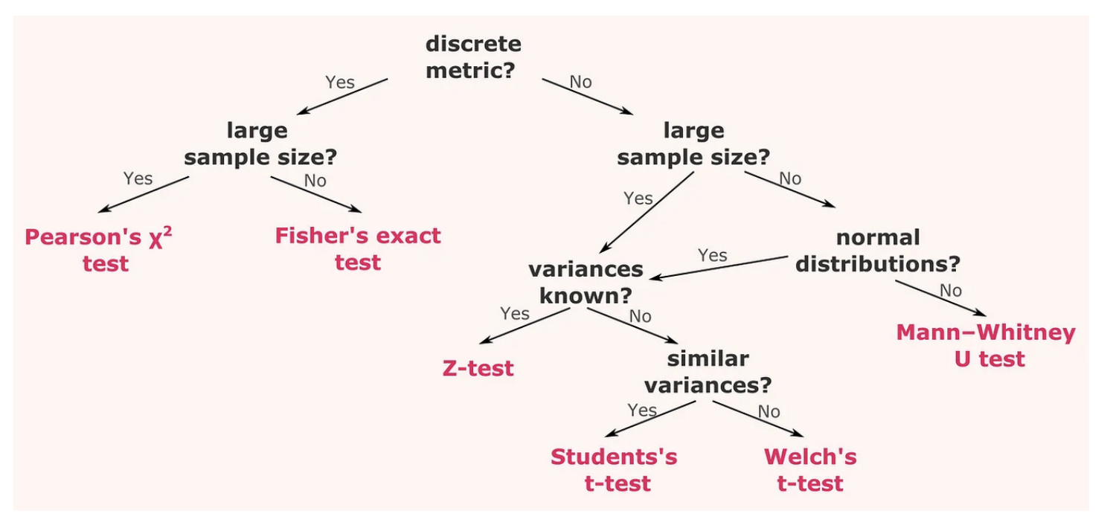

Type I Error (False Positive) | You think there's a difference, but there isn’t one

Type II Error (False Negative) | You miss a real difference — you say nothing changed, but actually, something did

